Chart - Changes to PSNB
 | Policy changes | Indirect effects of policy | OBR forecast changes - debt interest | OBR forecast changes - other | Change in PSNB
24-25 | 0.8 | 0.4 | 0.3 | 8.3 | 9.8
25-26 | 1.0 | -1.6 | 5.5 | 7.2 | 12.1
26-27 | 0.9 | -2.0 | 3.1 | 6.7 | 8.7
27-28 | 0.6 | -2.9 | 5.0 | 5.3 | 8.0
28-29 | -2.6 | -3.4 | 6.6 | 5.0 | 5.5
29-30 | -6.3 | -3.4 | 10.1 | 3.1 | 3.5

Chart - Real current DEL
 | Spring Statement (Mar22) | Budget (Mar23) | Budget (Mar24) | Budget (Oct24) | Spring forecast (Mar25)
20-21 | 467.401
21-22 | 439.567 | 455.176
22-23 | 424.508 | 432.761 | 437.60887768
23-24 | 415.581 | 428.305 | 426.29484443 | 432.71027957 | 438.67032271
24-25 | 419.098 | 426.656 | 430.19537878 | 453.35018603 | 450.71792051
25-26 | 427.054 | 431.688 | 434.17734121 | 467.40856114 | 468.52425008
26-27 | 434.240 | 436.663 | 438.6121774 | 473.83881313 | 477.22591187
27-28 |  | 441.858 | 443.1878635 | 480.05455205 | 482.03716861
28-29 |  |  | 447.48683247 | 486.21056113 | 486.64951593
29-30 |  |  |  | 492.90491656 | 491.61693283

Chart - Real capital DEL
 | Spring Statement (Mar22) | Budget (Mar23) | Budget (Mar24) | Budget (Oct24) | Spring forecast (Mar25)
20-21 | 78.122
21-22 | 75.108 | 84.696
22-23 | 89.696 | 89.906 | 96.436167796
23-24 | 96.400 | 97.620 | 96.340953452 | 98.864445836 | 100.22617998
24-25 | 94.862 | 96.889 | 99.200029696 | 99.010883 | 102.88599074
25-26 | 97.360 | 96.153 | 96.757357789 | 108.66443402 | 108.42246802
26-27 | 98.991 | 95.407 | 95.375872908 | 112.25381642 | 113.05062426
27-28 |  | 93.998 | 93.614523247 | 113.34626797 | 116.50902144
28-29 |  |  | 90.922749807 | 111.87207275 | 115.45894177
29-30 |  |  |  | 110.71637426 | 114.7653157

Chart - Real DEL per head index
 | Spring Statement (Mar22) | Budget (Mar23) | Budget (Mar24) | Budget (Oct24) | Spring forecast (Mar25)
22-23 | 103.685 | 103.829 | 104.128
23-24 | 100.198 | 101.436 | 100.130
24-25 | 100.000 | 100.000 | 100.000 | 100.000 | 100.000
25-26 | 101.187 | 100.473 | 100.221 | 102.381 | 103.225
26-27 | 102.335 | 101.083 | 100.699 | 103.231 | 104.576
27-28 |  | 101.855 | 101.321 | 104.144 | 105.185
28-29 |  |  | 101.911 | 105.075 | 105.784
29-30 |  |  |  | 106.124 | 106.465

Chart - Real DEL index
 | Spring Statement (Mar22) | Budget (Mar23) | Budget (Mar24) | Budget (Oct24) | Spring forecast (Mar25)
22-23 | 101.291 | 101.431 | 101.723
23-24 | 99.161 | 100.386 | 99.093
24-25 | 100.000 | 100.000 | 100.000 | 100.000 | 100.000
25-26 | 101.898 | 101.179 | 100.926 | 103.101 | 103.951
26-27 | 103.613 | 102.345 | 101.957 | 104.519 | 105.881
27-28 |  | 103.563 | 103.020 | 105.890 | 106.949
28-29 |  |  | 104.019 | 107.248 | 107.972
29-30 |  |  |  | 108.725 | 109.074

Chart - Real current DEL index
 | Spring Statement (Mar22) | Budget (Mar23) | Budget (Mar24) | Budget (Oct24) | Spring forecast (Mar25)
22-23 | 101.291 | 101.431 | 101.723
23-24 | 99.161 | 100.386 | 99.093
24-25 | 100.000 | 100.000 | 100.000 | 100.000 | 100.000
25-26 | 101.898 | 101.179 | 100.926 | 103.101 | 103.951
26-27 | 103.613 | 102.345 | 101.957 | 104.519 | 105.881
27-28 |  | 103.563 | 103.020 | 105.890 | 106.949
28-29 |  |  | 104.019 | 107.248 | 107.972
29-30 |  |  |  | 108.725 | 109.074

Chart - Real capital DEL index
 | Spring Statement (Mar22) | Budget (Mar23) | Budget (Mar24) | Budget (Oct24) | Spring forecast (Mar25)
22-23 | 94.555 | 92.793 | 97.214
23-24 | 101.622 | 100.754 | 97.118 | 99.852 | 97.415
24-25 | 100.000 | 100.000 | 100.000 | 100.000 | 100.000
25-26 | 102.633 | 99.240 | 97.538 | 109.750 | 105.381
26-27 | 104.352 | 98.470 | 96.145 | 113.375 | 109.880
27-28 |  | 97.016 | 94.369 | 114.479 | 113.241
28-29 |  |  | 91.656 | 112.990 | 112.220
29-30 |  |  |  | 111.822 | 111.546

Chart - fin mkt assump
 | Autumn Statement 2023 | Budget 24 | 10 days to 5th March
2 | 4.89 | 4.26 | 4.36
5 | 4.53 | 3.79 | 4.06
10 | 4.49 | 3.88 | 4.12
15 | 4.80 | 4.24 | 4.42
20 | 4.89 | 4.42 | 4.56
30 | 4.94 | 4.51 | 4.60

OBR_MAR25_C1.4
Back to contents
 | Chart 1.4: Public sector net borrowing: changes since October

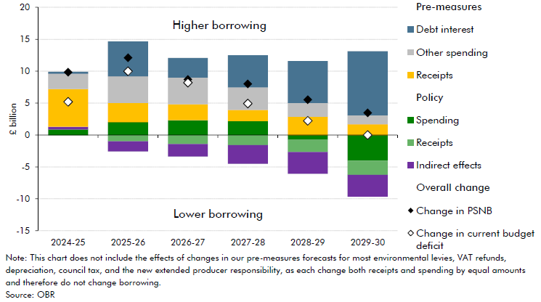

 |  | 2024-25 | 2025-26 | 2026-27 | 2027-28 | 2028-29 | 2029-30
 | Change in current budget deficit | 5.2 | 10.0 | 8.2 | 4.9 | 2.2 | 0.0
 | Change in PSNB | 9.8 | 12.1 | 8.7 | 8.0 | 5.5 | 3.5
 | Policy: spending | 0.9 | 2.0 | 2.3 | 2.2 | -0.8 | -4.0
 | Policy: receipts | -0.1 | -1.0 | -1.4 | -1.6 | -1.9 | -2.2
 | Indirect effects | 0.4 | -1.6 | -2.0 | -2.9 | -3.4 | -3.4
 | Pre-measures: receipts | 5.9 | 3.0 | 2.5 | 1.8 | 2.8 | 1.7
 | Pre-measures: other spending | 2.4 | 4.2 | 4.2 | 3.5 | 2.2 | 1.4
 | Pre-measures: debt interest | 0.3 | 5.5 | 3.1 | 5.0 | 6.6 | 10.1

 |  | 24-25 | 25-26 | 26-27 | 27-28 | 28-29 | 29-30
 | Change in PSNB | 9.8 | 12.1 | 8.7 | 8.0 | 5.5 | 3.5
 | Policy changes | 0.8 | 1.0 | 0.9 | 0.6 | -2.6 | -6.3
 | Indirect effects of policy | 0.4 | -1.6 | -2.0 | -2.9 | -3.4 | -3.4
 | OBR forecast changes - debt interest | 0.3 | 5.5 | 3.1 | 5.0 | 6.6 | 10.1
 | OBR forecast changes - other | 8.3 | 7.2 | 6.7 | 5.3 | 5.0 | 3.1

OBR_MAR24_C1.5
Back to contents
 | Chart 1.5: Public sector net borrowing: change since November

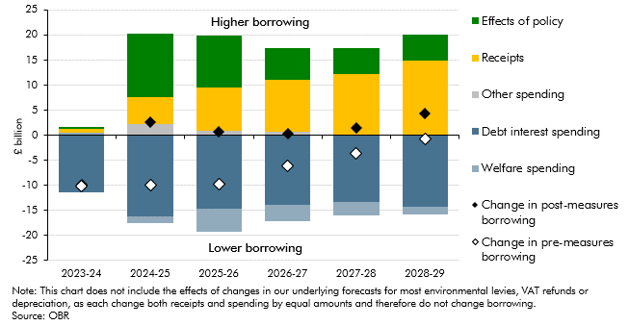

 |  | 2023-24 | 2024-25 | 2025-26 | 2026-27 | 2027-28 | 2028-29
 | Effects of policy | 0.3 | 12.7 | 10.4 | 6.4 | 5.1 | 5.2
 | Receipts | 0.8 | 5.2 | 8.7 | 10.4 | 12.3 | 14.8
 | Other spending | 0.1 | 2.3 | 0.8 | 0.6 | 0.0 | 0.2
 | Debt interest spending | -11.5 | -16.2 | -14.7 | -13.8 | -13.3 | -14.2
 | Welfare spending | 0.5 | -1.4 | -4.6 | -3.3 | -2.6 | -1.5
 | Change in post-measures borrowing | -9.8 | 2.7 | 0.6 | 0.3 | 1.5 | 4.4
 | Change in pre-measures borrowing | -10.1 | -10.0 | -9.7 | -6.2 | -3.6 | -0.8

OBR_MAR24_C4.10
Back to contents
 | Chart 4.10: Real departmental spending per person (2023-24 prices)
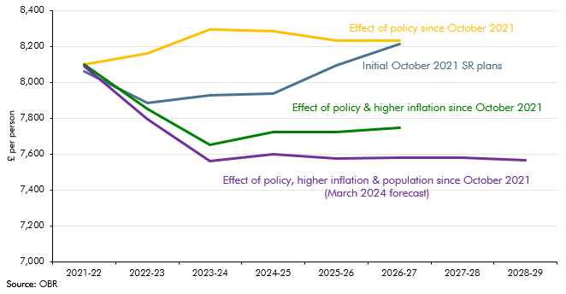

 |  | 2021-22 | 2022-23 | 2023-24 | 2024-25 | 2025-26 | 2026-27 | 2027-28 | 2028-29
 | Initial October 2021 SR plans | 8058 | 7886 | 7925 | 7937 | 8094 | 8213
 | Effect of policy since October 2021 | 8097 | 8162 | 8294 | 8283 | 8231 | 8231
 | Effect of policy and higher inflation since October 2021 | 8097 | 7848 | 7650 | 7722 | 7722 | 7746
 | Effect of policy, hihger inflation and population since October 2021 (March 2024 forecast) | 8088 | 7786 | 7548 | 7584 | 7564 | 7569 | 7569 | 7553

